시트1
Brand | Ninja & Shark
Sales Price | $104,000
Total MSRP | $223,606
Pallet | 24
Condition | Refurbished/ Fully Functional
Total Unit | 2,083

Image | BRAND | SUB-CATEGORY | RETAIL LINK | Unit/Pallet | Pallet | Total Unit
 | SHARK | AIR PURIFIER | https://www.amazon.com/Shark-HP102-Antimicrobial-Protection-particles/dp/B09V1SS74T?th=1 | 80 | 2 | 160
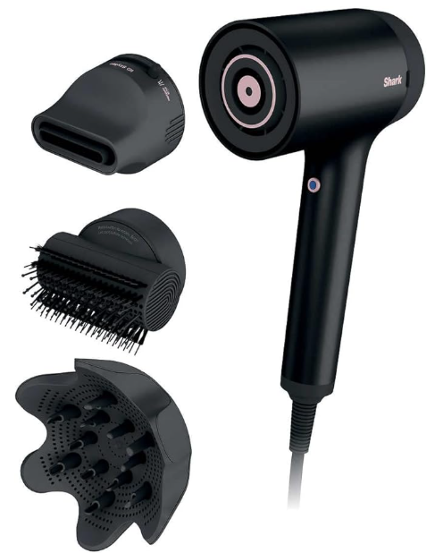 | SHARK | HYPERAIR | https://www.costco.com/shark-hyperair-hair-dryer.product.100946531.html | 285 | 2 | 570
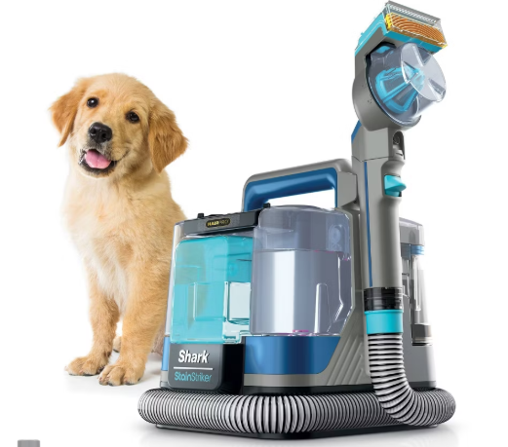 | SHARK | CARPET & UPHOLSTERY CLEANER - PORTABLE | https://www.target.com/p/shark-stainstriker-hairpro-portable-carpet-upholstery-38-area-rug-cleaner-with-pet-mess-38-hair-tools-px251tgt/-/A-94371689 | 45 | 3 | 135
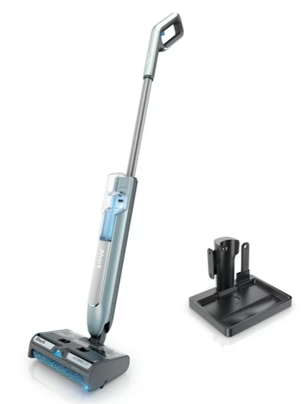 | SHARK | HYDRODUO - CORDLESS | https://www.walmart.com/ip/Shark-HydroProPickUpWet-Dry-2-in-1/5633793899 | 36 | 3 | 108
 | NINJA | AIR FRYER OVEN | https://www.costco.com/ninja-flip-10-in-1-toaster-oven--air-fryer-with-added-broil-rack.product.4000359830.html | 28 | 5 | 140
 | SHARK | LITHIUM-ION | https://www.walmart.com/ip/Shark-Cyclone-Handheld-Vacuum-with-HyperVelocity-Suction-CH700WM/3106701139 | 204 | 3 | 612
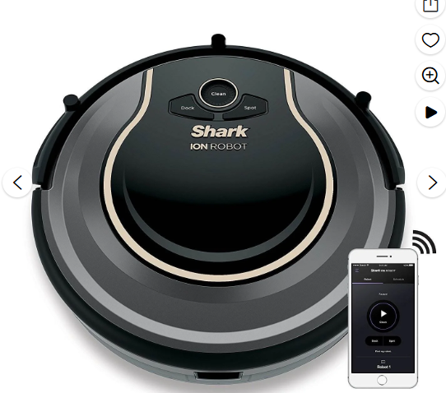 | SHARK | PROXIMITY SENSORS | https://www.walmart.com/ip/SharkNinja-RV750-ION-ROBOT-750-Vacuum-with-Wi-Fi-Connectivity-Voice-Control-Works/353922897 | 95 | 2 | 190
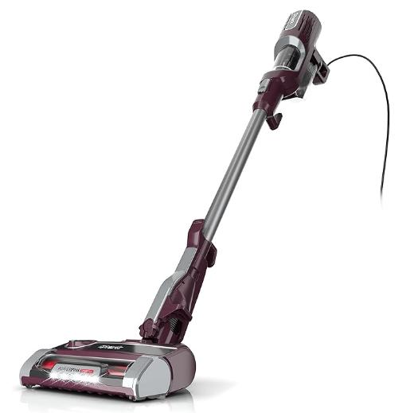 | SHARK | CORDED | https://www.amazon.com/Shark-HZ702-Ultralight-Neutralizer-Technology/dp/B0BSR9JLF6 | 48 | 2 | 96
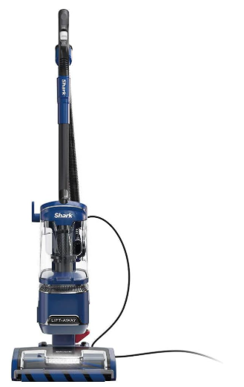 | SHARK | DUOCLEAN, LIFT-AWAY, SELF-CLEANING | https://www.costco.com/shark-performance-lift-away-upright-vacuum-with-duoclean-powerfins.product.100775329.html | 36 | 2 | 72

 |  |  |  |  |  | 2083

